NLP
Warehouse capacity (cubic feet) | 200,000
Weekly Inventory Management and Purchasing Budget | $1,500,000

 | Tables | Chairs | Beds | Sofas | Bookcases | Priority Coefficients Table
Weekly demand (units), D | 1125 | 2750 | 3075 | 3075 | 750 | Priority 1 | 1000
Holding cost (per unit per week), h | $2 | $3 | $3 | $3 | $4 | Priority 2 | 50
Ordering cost (per order), o | $100 | $225 | $135 | $135 | $100 | Priority 3 | 1
Purchase price per unit, p | $45 | $85 | $125 | $155 | $125 | No Priority | 0
Storage space required (cubic feet per unit), s | 84 | 106 | 140 | 70 | 100

Decision Variables |  |  |  |  |  | Deviational Variables |  | Priority | Priority Coefficients
Optimal order quantities, x | 141 | 564 | 450 | 436 | 349 | Ratio Constraint Slack | 0 | Priority 1 | 1000
Weekly Inventory Management Cost | $939 | $1,943 | $1,598 | $1,606 | $914 | Ratio Constraint Surplus | 0 | Priority 2 | 50
Weekly Inventory Management and Purchasing Cost | $51,564 | $235,693 | $385,973 | $478,231 | $94,664 | Warehouse Volume Slack | 0 | No Priority | 0
 |  |  |  |  |  | Warehouse Volume Surplus | 0 | Priority 2 | 50
Objective Function |  |  |  |  |  | Inventory Management Slack | 0 | No Priority | 0
Minimize total relevant deviation weighted with priorities | 0 |  |  |  |  | Inventory Management Surplus | 0 | Priority 3 | 1

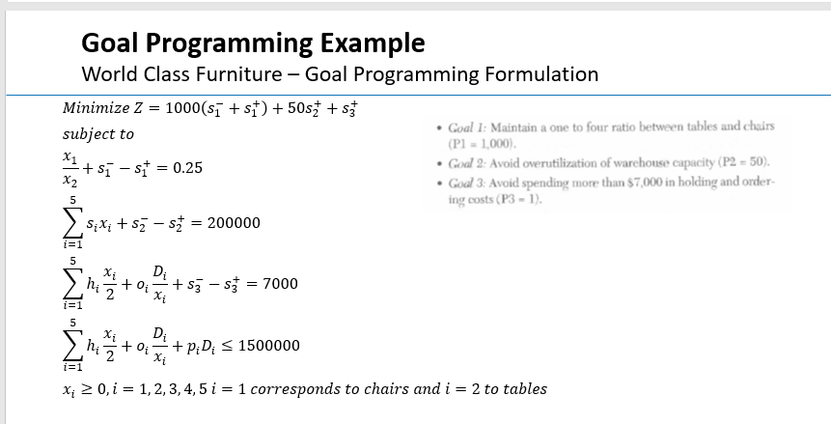
Constraints | Usage /Outcome | Sign | Resources /Requirement
Ratio of tables to chairs | 0.25 | = | 0.25
Maximum total space needed at one time | 200,000 | = | 200,000
Total Weekly Inventory Management Cost | $7,000 | = | 7000
Weekly Inventory Management and Purchasing Cost | $1,246,125 | ≤ | 1,500,000

